Business
Bushfire Industry Recovery Package

Sector development grants - application datasheet

A | Project details
Please complete all yellow cells.
This form should be completed by businesses or consortia of businesses applying for Bushfire Industry Recovery Package assistance under the "supply chain support grants" stream.
A1 | Project name: |  |  | (Required)

A2 | Project commencement year: |  |  | 2020 | .
A3 | Financial year end (day/month): |  | 30 | June | .
A4 | Confirmation: The first financial year of the data ends on 30 June, 2020.

A5 | Amount of assistance being applied for ($'000): |  |  | (Required)

 | Project funding sources:
 | Contributor name | Contributor type | Amount or value ($'000) | % | Contribution type
A6 | NSW Government | Bushfire Industry Recovery Package | - | - | Cash or grant
A7 |  |  |  | - |  |  | .
A8 |  |  |  | - |  |  | .
A9 |  |  |  | - |  |  | .
A10 |  |  |  | - |  |  | .
A11 |  |  |  | - |  |  | .
A12 |  |  |  | - |  |  | .
 |  | Total project funding ($'000): | - | .
In the context of a business, "local" refers to the Functional Economic Region (FER), which will consist of the local government in which the project is located, together with zero or more adjoining local government areas.
To identify your functional economic region, see below.
For more information on your local Functional Economic Region, see https://www.nsw.gov.au/regional-nsw-today
A13 | Proponent local* ownership (%): |  |  | (Required)
A14 | Proponent NSW (but non-local*) ownership (%): |  |  | (Required)
A15 | Proponent interstate and international ownership (%): |  | 100.0%
A16 | Total |  | 100.0% | .

 | (Optional)
 | To identify your functional economic region (FER), please enter your local council name:
A17 | My local council is:
New South Wales functional economic regions
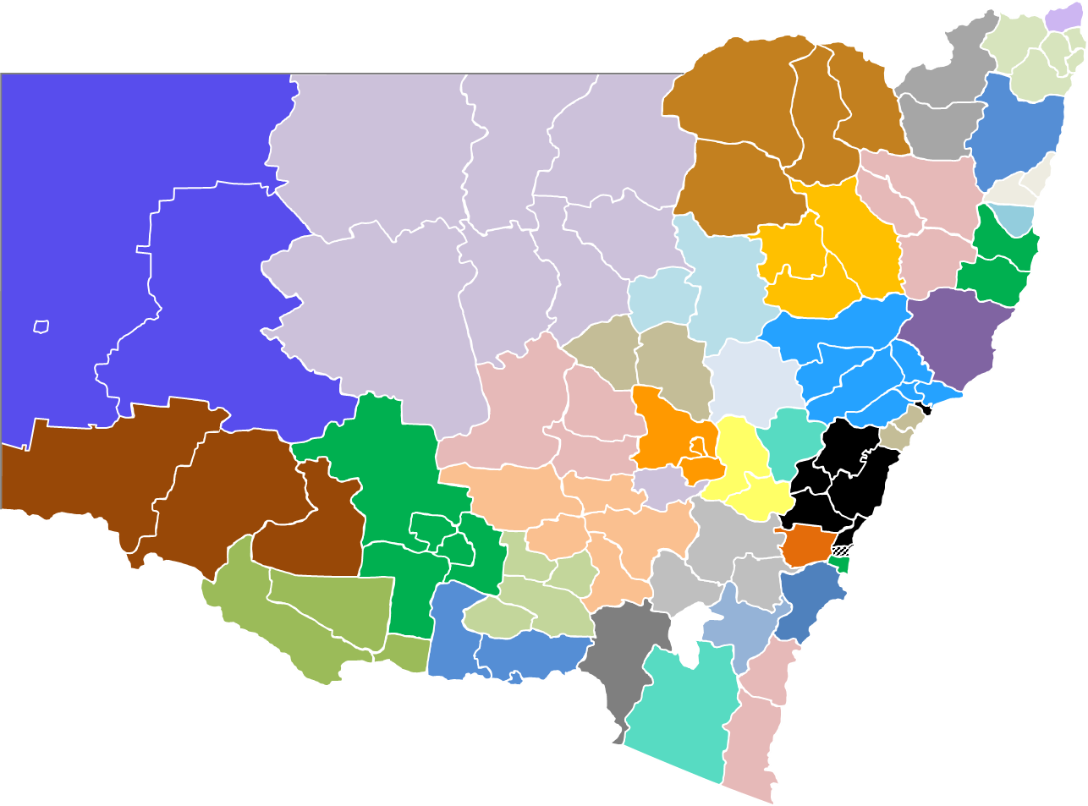
 | Your functional economic region (FER) is:
A18 |  | Non-regional location

 | NSW councils in your functional economic region (FER) are:
A19 | -
A20 | -
A21 | -
A22 | -
A23 | -
A24 | -
A25 | -
A26 | -

B | Construction phase (if applicable)

 | List major capital expenditure cost items (including construction) purchased. |  | Locally* | Non-local* | Interstate | International |  | Year 1 | Year 2 | Year 3 | Year 4 | Year 5 |  |  | Click for more information on capital expenditure
 | Similar and/or related items may be grouped. Do not include wages. |  | sourced (%) | NSW-sourced | -sourced (%) | -sourced (%) |  | 2020 | 2021 | 2022 | 2023 | 2024 | Total
B1 | Land |  |  |  |  |  | $’000 |  |  |  |  |  | -
B2 | Buildings |  |  |  |  |  | $’000 |  |  |  |  |  | -
B3 | Equipment manufactured locally* |  |  |  |  |  | $’000 |  |  |  |  |  | - |  | Click for more information on equipment
B4 | Equipment manufactured in NSW |  |  |  |  |  | $’000 |  |  |  |  |  | -
B5 | Equipment manufactured interstate or internationally |  |  |  |  |  | $’000 |  |  |  |  |  | -
B6 | Capital expenditure item 1 (e.g. "concrete") |  |  |  |  |  | $’000 |  |  |  |  |  | - |  | Please ensure that all financial information is
B7 | Capital expenditure item 2 (e.g. "relocatable building modules") |  |  |  |  |  | $’000 |  |  |  |  |  | - |  | exclusive of Goods and Services Tax (GST)
For example, if the business generates $100,000 in receipts per month, only $90,909 of revenues should be recorded, as 10% of the $100,000 is likely to be goods and services tax (GST) collected.
To determine the level of GST, simpy divide by 11 (for example, $100,000 ÷ 11 = $90,909). As a check, if you then mulitply the GST-exclusive amount by 1.1, you should get the full amount again (for example: $90,909 × 1.1 = $100,000).
B8 | Capital expenditure item 3 (e.g. "widgets") |  |  |  |  |  | $’000 |  |  |  |  |  | -
B9 | Capital expenditure item 4 |  |  |  |  |  | $’000 |  |  |  |  |  | -
B10 | Capital expenditure item 5 |  |  |  |  |  | $’000 |  |  |  |  |  | -

B11 | Balance of capital expenditure cost items |  |  |  |  |  | $’000 |  |  |  |  |  | -
B12 | Total cost |  |  |  |  |  | $’000 | - | - | - | - | - | -

C | Project operations

These should be the additional employees/workers as a result of the project, or the number of jobs retained as a result of the project. Please do not include existing workers (that is, workers already employed at the business).
For example, if you currently employ 100 staff, and the project will increase total staff to 127, please only include the additional 27 staff.
Employment numbers should be cumulative -- that is, if the project is creating 5 jobs in Year 1 and 3 jobs in Year 2, the number of jobs in Year 2 will be 8 (5 + 3).
Project employment |  |  |  |  |  |  |  | Year 1 | Year 2 | Year 3 | Year 4 | Year 5
created or retained |  |  |  |  |  |  |  | 2020 | 2021 | 2022 | 2023 | 2024

 | Employees
C1 | - Full-time jobs
C2 | - Part-time jobs
C3 | - Casual jobs
C4 | Total average full-time equivalent employment |  |  |  |  |  |  | - | - | - | - | -
Job numbers should be an average over the whole year. For example, if the business had 10 employees for eleven months, and then hired 100 employees in the last month of the financial year, the average employment over the year would be 17.5 (being [(11 months × 10 employees) + (100 employees × 1 month)] ÷ 12 months).
FTE = full-time equivalent job
Estimated as follows:
- 1 part-time job = 0.5 full-time job
- 1 casual job = 0.33 full-time job

As for employment above, these should be the additional wages paid as a result of the project. Please do not include the current level of wages.
For example, if the current payroll is $500,000, and the project will increase total payroll to $750,000, please only include the additional $250,000.

Project wages/salaries |  |  |  |  |  |  |  | Year 1 | Year 2 | Year 3 | Year 4 | Year 5
 |  |  |  |  |  |  |  | 2020 | 2021 | 2022 | 2023 | 2024 | Total
C5 | Basic salaries and wages |  |  |  |  |  | $’000 |  |  |  |  |  | - |  | Please ensure that all financial information is
C6 | Superannuation |  |  |  |  |  | $’000 |  |  |  |  |  | - |  | exclusive of Goods and Services Tax (GST).
C7 | Total Wages and Salaries |  |  |  |  |  | $’000 | - | - | - | - | - | -
C8 | Payroll Tax |  |  |  |  |  | $’000 |  |  |  |  |  | - | (Optional)
C9 | Total Employment Costs |  |  |  |  |  | $’000 | - | - | - | - | - | -

As for employment and wages, these should be the additional reveunues as a result of the project. Please do not include the current level of revenue.
For example, if the business' current revenue is approximately $800,000 per year, and the project will increase total revenues to $1 million per year, please only include the additional $200,000.
C10 | Average wage (C7 ÷ C4) |  |  |  |  |  | $'000 | - | - | - | - | -

Project revenues |  |  |  |  |  |  |  | Year 1 | Year 2 | Year 3 | Year 4 | Year 5
 |  |  |  |  |  |  |  | 2020 | 2021 | 2022 | 2023 | 2024 | Total

C11 | Sales revenue from locally*-based customers |  |  |  |  |  | $’000 |  |  |  |  |  | -
C12 | Sales revenue from non-local* NSW customers |  |  |  |  |  | $’000 |  |  |  |  |  | -
C13 | Sales revenue from non-local* (Australian) interstate customers |  |  |  |  |  | $’000 |  |  |  |  |  | -
C14 | Sales revenue from non-Australian (international) customers |  |  |  |  |  | $’000 |  |  |  |  |  | -
C15 | Total revenue |  |  |  |  |  | $’000 | - | - | - | - | - | -

Project expenses |  |  |  |  |  |  |  | Year 1 | Year 2 | Year 3 | Year 4 | Year 5
 |  |  |  |  |  |  |  | 2020 | 2021 | 2022 | 2023 | 2024 | Total

C16 | Employment costs (from Item D9) |  |  |  | $’000 |  |  | - | - | - | - | - | -

As for above, these should be the additional expenses as a result of the project. Please do not include the current level of expenses.
For example, if the business' current rent expense is $100,000 per year, and the project will require an increase of rent to $150,000 per year, please only include the additional $50,000.
 | Operating expenses
 | Please list major operating cost items for the business (other than your business's wages and capital expenditure).
 | List should include significant raw materials (e.g. plastics, iron, chemicals but not just "raw materials"), rent, transport, utilities, telecommunications as separate line items.
 |  |  | Locally* | Non-local* | Interstate | International |  | Year 1 | Year 2 | Year 3 | Year 4 | Year 5
 |  |  | sourced (%) | NSW-sourced | -sourced (%) | -sourced (%) |  | 2020 | 2021 | 2022 | 2023 | 2024 | Total
C17 | Expense 1 (e.g. maintenance) |  |  |  |  |  | $’000 |  |  |  |  |  | -
C18 | Expense 2 (e.g. rent) |  |  |  |  |  | $’000 |  |  |  |  |  | -
Please Include common expenses such as rent, utilities, freight/transport costs, etc.
For Cost of Goods Sold, please separate out the highest/most significant component(s). For example, rather than simply entering "Cost of Goods Sold - $1 million", please enter "Cost of Goods Sold (steel) - $800,000".
C19 | Expense 3 (raw materials) |  |  |  |  |  | $’000 |  |  |  |  |  | -
C20 | Expense 4 (e.g. licenses and royalties) |  |  |  |  |  | $’000 |  |  |  |  |  | -
C21 | Expense 5 |  |  |  |  |  | $’000 |  |  |  |  |  | -
C22 | Expense 6 |  |  |  |  |  | $’000 |  |  |  |  |  | -
C23 | Expense 7 |  |  |  |  |  | $’000 |  |  |  |  |  | -
C24 | Expense 8 |  |  |  |  |  | $’000 |  |  |  |  |  | -
C25 | Expense 9 |  |  |  |  |  | $’000 |  |  |  |  |  | -
C26 | Expense 10 |  |  |  |  |  | $’000 |  |  |  |  |  | -
C27 | All other expenses |  |  |  |  |  | $’000 |  |  |  |  |  | -
C28 | Total expenses |  |  |  |  |  |  | - | - | - | - | - | -

C29 | Depreciation and amortisation |  |  |  |  |  | $’000 |  |  |  |  |  | -
C30 | Interest expenses |  |  |  |  |  | $’000 |  |  |  |  |  | -
C31 | Profit before tax |  |  |  |  |  |  | - | - | - | - | - | -

C32 | Error Check (Sum of items D11 to D31 should equal total revenue) |  |  |  |  |  |  | . | . | . | . | . | .

