Industry
Bushfire Industry Recovery Package

Sector development grants - application datasheet

Please complete all yellow cells.
This form should be completed by industry associations or consortia of businesses applying for Bushfire Industry Recovery Package assistance under the "sector development grants" stream, for industry-wide assistance.
A | Proponent details
Please ensure that all financial information is exclusive of Goods and Services Tax (GST)
A1 | Project name: |  | (Required)

 | Project location(s)

For example, if the business generates $100,000 in receipts per month, only $90,909 of revenues should be recorded, as 10% of the $100,000 is likely to be goods and services tax (GST) collected.
To determine the level of GST, simpy divide by 11 (for example, $100,000 ÷ 11 = $90,909). As a check, if you then mulitply the GST-exclusive amount by 1.1, you should get the full amount again (for example: $90,909 × 1.1 = $100,000).
A2 | Project local government area: |  | (Required)
A3 | Project functional economic region:
 | OR
A4 | Select the functional economic region (FER) impacted by this project:
 |  |  | (Required)
 | OR
A5 | This project will impact two or more functional economic regions: |  |  | (Required) | . |  |  |  |  |  |  |  | .
 | OR |  |  |  | .
A6 | This project will have state-wide impacts: |  |  | (Required)

For economic development purposes, NSW has been divided into 38 functional economic regions.
Each functional economic region (FER) consists of one or more local government areas, recognising that local government boundaries do not always reflect the boundaries of regional economies and economic interaction.
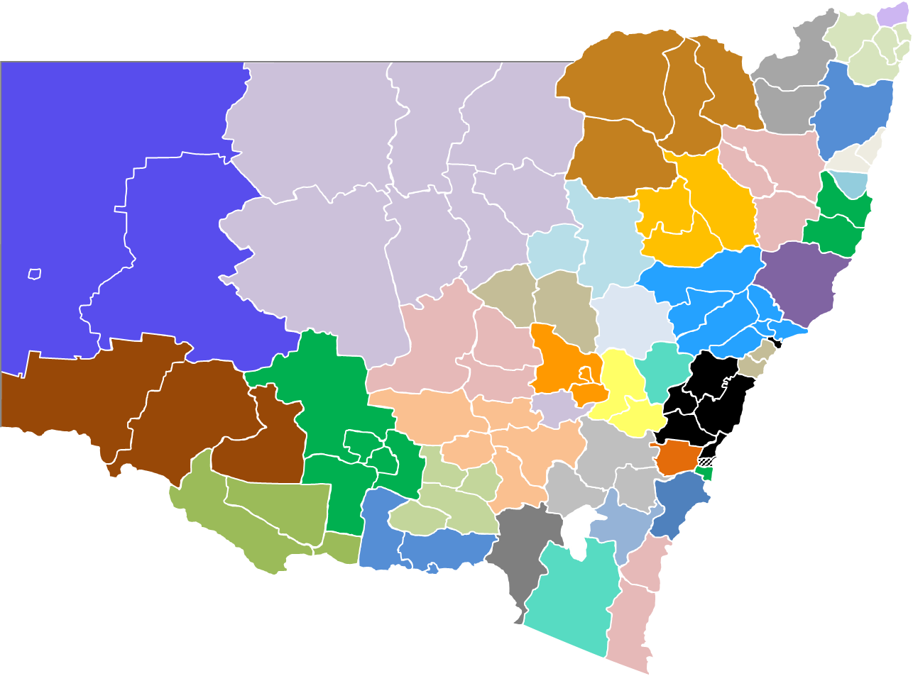
 | Functional Economic Regions |  |  |  |  | NSW councils in your local region, the |  |  |  |  | New South Wales functional economic regions
 |  |  |  |  |  | FER, include:
 |  |  |  |  |  | -
 |  |  |  |  |  | -
 |  |  |  |  |  | -
 |  |  |  |  |  | -
 |  |  |  |  |  | -
 |  |  |  |  |  | -
 |  |  |  |  |  | -
 |  |  |  |  |  | -
Click here for larger map

A7 | Project commencement in financial year ended 30 June |  | 2020

A8 | Amount of assistance being applied for ($'000): |  |  | (Required)

 | Project funding sources:
 | Contributor name | Contributor type | Amount or value ($'000) | % | Contribution type
A9 | NSW Government | Bushfire Industry Recovery Package | - | - | Cash or grant
A10 |  |  |  | - |  |  | . |  |  |  |  |  |  | Click for more information on education providers
A11 |  |  |  | - |  |  | .
A12 |  |  |  | - |  |  | .
A13 |  |  |  | - |  |  | .
A14 |  |  |  | - |  |  | .
A15 |  |  |  | - |  |  | .
 |  | Total project funding ($'000): | - | .

B | Construction phase (if applicable)

 | List major capital expenditure cost items (including construction) purchased. |  |  | Locally* |  | Year 1 | Year 2 | Year 3 | Year 4 | Year 5 |  |  |  | Click for more information on capital expenditure
 | Similar and/or related items may be grouped. Do not include wages. |  |  | sourced |  | 2020 | 2021 | 2022 | 2023 | 2024 | Total
B1 | Land |  |  |  | $’000 |  |  |  |  |  | -
B2 | Existing buildings |  |  |  | $’000 |  |  |  |  |  | -
B3 | Equipment manufactured locally* |  |  | 100.0% | $’000 |  |  |  |  |  | - |  |  | Click for more information on equipment
B4 | Equipment manufactured in NSW (outside local* region) |  |  |  | $’000
In the context of a business, "local" refers to the Functional Economic Region (FER), which will consist of the local government in which the project is located, together with zero or more adjoining local government areas.
You should identify your Functional Economic Region at Items A2 to A6.
For more information on your local Functional Economic Region, see https://www.nsw.gov.au/regional-nsw-today
B5 | Non-locally* manufactured equipment |  |  | - | $’000 |  |  |  |  |  | -
B6 | Capital expenditure item 1 (e.g. "concrete") |  |  |  | $’000 |  |  |  |  |  | -
B7 | Capital expenditure item 2 (e.g. "relocatable building modules") |  |  |  | $’000 |  |  |  |  |  | -
B8 | Capital expenditure item 3 (e.g. "widgets") |  |  |  | $’000 |  |  |  |  |  | -
B9 | Capital expenditure item 4 |  |  |  | $’000 |  |  |  |  |  | -
B10 | Capital expenditure item 5 |  |  |  | $’000 |  |  |  |  |  | -

B11 | Balance of capital expenditure cost items |  |  |  | $’000 |  |  |  |  |  | -
B12 | Total cost |  |  |  | $’000 | - | - | - | - | - | -

"Industry assistance" encompasses a wide range of measures and effects. Please select those which most closely align to your program.
C | Industry assistance |  | Selector
C1 | Please complete this section.

Project benefits
Most project benefits are likely to be captured by "increased revenue" and/or "reduced costs".
For example, "increased exports" is likely to increase the industry's revenues, while "improved safety" is likely to reduce industry costs.
For some more benefit examples, click here.
click here
C2 | I can estimate the employment effects of the proposed industry assistance:
 |  |  |  | (Required - please select at least one of Items C2 and C3)
C3 | I can estimate the revenue effects of the proposed industry assistance:

 | Other benefits:
C4 | Tourism benefits (Is the project going to attract visitors from outside the local* region?)
C5 | Is the project going to result in travel time savings for local* area residents?
C6 | Road safety benefits
C7 | Water security and/or quality benefits
C8 | Cost-saving benefits (industry members likely to have reduced expenses)
C9 | Regenerated assets benefits
C10 | Reduced pollution, waste and/or landfill
C11 | Benefit 1 name
C12 | Benefit 2 name
C13 | Benefit 3 name
C14 | Benefit 4 name
C15 | Benefit 5 name

 | Estimated labour effects

 | Please select one of the two industry assistance options below:

C16 | I know how many firms will be assisted, and their average size: |  |  |  |  | .
 | OR |  |  |  | .
C17 | I know how many jobs will be created and/or retained as a result of the assistance: |  |  |  |  | .

These should be the additional employees/workers as a result of the project, or the number of jobs retained as a result of the project. Please do not include existing workers (that is, workers already employed at the business).
For example, if you currently employ 100 staff, and the project will increase total staff to 127, please only include the additional 27 staff.
Employment numbers should be cumulative -- that is, if the project is creating 5 jobs in Year 1 and 3 jobs in Year 2, the number of jobs in Year 2 will be 8 (5 + 3).
 | .

C18 | How many businesses (firms, companies, etc) will the assistance be assisting? |  |  |  | .

C19 | What is the average number of full-time equivalent employees per business? |  |  |  | .

C20 | Total employment supported: |  |  | -

C21 | Do you know or can you estimate the average annual wage/salary of supported employment?
 | If you do not know the average, the industry average wage will be used.
C22 | What is the average wage per job retained/created? ($)

 | .

C23 | What is the estimated number of jobs created and/or retained over the assistance period?

 |  |  |  |  |  | Year 1 | Year 2 | Year 3 | Year 4 | Year 5
 |  |  |  |  |  | 2020 | 2021 | 2022 | 2023 | 2024
 | Jobs created
C24 | Full-time jobs created
C25 | Part-time jobs created
C26 | Casual jobs created
C27 | Headcount employment created |  |  |  |  | - | - | - | - | -
C28 | Full-time equivalent (FTE) employment created |  |  |  |  | - | - | - | - | -
 | Jobs retained
C29 | Full-time jobs retained
C30 | Part-time jobs retained
C31 | Casual jobs retained
C32 | Headcount employment created |  |  |  |  | - | - | - | - | -
C33 | Full-time equivalent (FTE) employment created |  |  |  |  | - | - | - | - | -

C34 | Head count employment |  |  |  |  | - | - | - | - | -
C35 | Full-time equivalent (FTE) employment |  |  |  |  | - | - | - | - | -

 | Estimated revenue effects

As for employment and wages, these should be the additional reveunues as a result of the project. Please do not include the current level of revenue.
For example, if the business' current revenue is approximately $800,000 per year, and the project will increase total revenues to $1 million per year, please only include the additional $200,000.
 | What is the estimated increase in industry revenue as a result of the assistance?
 |  |  |  |  |  | Year 1 | Year 2 | Year 3 | Year 4 | Year 5
 |  |  |  |  |  | 2020 | 2021 | 2022 | 2023 | 2024 | Total | Percentage
C36 | Revenue from customers within the local* region |  |  |  | $'000 |  |  |  |  |  | - | -
C37 | Revenue from customers outside the local* region, but within NSW |  |  |  | $'000 |  |  |  |  |  | - | -
C38 | Revenue from customers outside NSW, but within Australia |  |  |  | $'000 |  |  |  |  |  | - | -
C39 | Revenue from customers outside Australia |  |  |  | $'000 |  |  |  |  |  | - | -
C40 | Total revenue |  |  |  | $'000 | - | - | - | - | - | - | -

 | Estimated tourism effects

 |  |  |  |  |  | Year 1 | Year 2 | Year 3 | Year 4 | Year 5
 |  |  |  |  |  | 2020 | 2021 | 2022 | 2023 | 2024 | Total | Percentage
C41 | Estimated number of additional local* visitors per year: |  |  |  |  |  |  |  |  |  | - | -
C42 | Estimated number of additional NSW (outside the local* region) visitors per year: |  |  |  |  |  |  |  |  |  | - | -
C43 | Estimated number of additional interstate visitors per year: |  |  |  |  |  |  |  |  |  | - | -
C44 | Estimated number of additional international visitors per year: |  |  |  |  |  |  |  |  |  | - | -
C45 | Total additional visitors |  |  |  |  | - | - | - | - | - | - | -

 | Estimated road improvement effects

 |  |  |  |  |  |  |  |  |  |  |  |  | Annual saving
C46 | What is the average travel distance saved? |  |  |  |  | kilometres per trip |  |  | . |  |  |  | -
C47 | What is the average travel time saved? |  |  |  |  | minutes per trip |  |  | . | (0 hr, 0 mins per trip) |  |  | -
C48 | What is the frequency of trips affected? |  |  |  |  | trip(s) per |  |  | . |  |  | #N/A

 | Estimated road safety effects

 |  |  |  | Timeframe: |  |  |  |  |  |  |  |  | Annual saving
C49 | How many fatalities can be avoided? |  |  | per |  | . |  |  |  |  |  |  | -
C50 | How many injuries can be avoided? |  |  | per | - | . |  |  |  |  |  |  | -
C51 | How many incidents of property and/or vehicle damage can be avoided? |  |  | per | - | . |  |  |  |  |  |  | -

These estimates can be checked with Transport for NSW's Centre for Road Safety statistics, specifically:
- Crash and casualty statistics - LGA view -- https://roadsafety.transport.nsw.gov.au/statistics/interactivecrashstats/lga_stats.html?tablga=1
- Crash and casualty statistics - LGA map view -- https://roadsafety.transport.nsw.gov.au/statistics/interactivecrashstats/lga_stats.html?tablga=4

 | Estimated water benefits

 |  |  |  |  |  |  |  | Please specify:
C52 | Is the project going to lead to avoided water restrictions? |  |  |  |  |  |  |  | .

C53 | Is the project required to address health requirements of Australian Drinking Water Guidelines? |  |  |  |  |  |  |  | .
C54 | Is the project required to address aesthetic requirements of Australian Drinking Water Guidelines? |  |  |  |  |  |  |  | .

C55 | Will the project lead to reduced water usage?
C56 | How much will water usage be reduced by? |  |  |  |  |  |  |  | per

 | Cost-saving benefits

 | To which entities will the cost savings apply? |  | Yes/No |  |  |  |  | Frequency |  |  |  |  | $'000
C57 | Local council |  |  | Will the cost savings be one-off or ongoing? |  |  |  |  | Please quantify the cost saving (if known): |  |  |  |  | per year
C58 | NSW Government |  |  | Will the cost savings be one-off or ongoing? |  |  |  |  | Please quantify the cost saving (if known): |  |  |  |  | per year
C59 | Industry association |  |  | Will the cost savings be one-off or ongoing? |  |  |  |  | Please quantify the cost saving (if known): |  |  |  |  | per year
C60 | Businesses |  |  | Will the cost savings be one-off or ongoing? |  |  |  |  | Please quantify the cost saving (if known): |  |  |  |  | per year
C61 | Other |  |  | Will the cost savings be one-off or ongoing? |  |  |  |  | Please quantify the cost saving (if known): |  |  |  |  | per year

 | Regenerated asset benefits

C62 | What is/are the asset(s) to be regenerated?

 |  |  |  |  |  |  |  |  |  |  |  |  | Assets regenerated
C63 | What area of land will be regenerated? |  |  | Units: |  |  |  |  |  |  |  |  | (s) @ $.00 per .:
 |  |  |  |  |  |  |  |  |  |  |  |  | Value ($'000): |  | -
C64 | What is the value to the community or business of the regenerated assets? ($) |  |  | per | .

 | Reduced pollution, waste and/or landfill benefits

For example: tonnes, cubic metres, litres, etc.
 | Avoided pollutant/waste: |  | Quantity of avoided pollutant/ waste | Units |  | Timeframe: |  | Value per unit ($) |  |  |  |  | Annual avoided pollution/waste
C65 | Pollutant 1 |  |  |  |  | per |  |  |  |  |  |  | per year
C66 | Pollutant 2 |  |  |  |  | per |  |  |  |  |  |  | per year
C67 | Pollutant 3 |  |  |  |  | per |  |  |  |  |  |  | per year
C68 | Pollutant 4 |  |  |  |  | per |  |  |  |  |  |  | per year
C69 | Pollutant 5 |  |  |  |  | per |  |  |  |  |  |  | per year

 | Other benefits

C70 | Benefit 1 name description: |  | (up to 250 words)

C71 | Benefit 2 name description: |  | (up to 250 words)

C72 | Benefit 3 name description: |  | (up to 250 words)

C73 | Benefit 4 name description: |  | (up to 250 words)

C74 | Benefit 5 name description: |  | (up to 250 words)

 |  |  | Units |  |  | Value per unit ($) | Quantity |  | Frequency | Estimated value ($'000) | Value per annum ($'000)
C75 | Example: | Quantity of benefit: | Reduced carbon emissions |  |  | $25.00 | 1,000 | per | week | 25.0 | 1,300 | per year
C76 | Example: | Quantity of benefit: | Users accessing service |  |  | $15.00 | 500 | per | month | 7.5 | 90 | per year
C77 | Benefit 1 name | Quantity of benefit: |  |  |  |  |  | per |  | - | - | per year
C78 | Benefit 2 name | Quantity of benefit: |  |  |  |  |  | per |  | - | - | per year
C79 | Benefit 3 name | Quantity of benefit: |  |  |  |  |  | per |  | - | - | per year
C80 | Benefit 4 name | Quantity of benefit: |  |  |  |  |  | per |  | - | - | per year
C81 | Benefit 5 name | Quantity of benefit: |  |  |  |  |  | per |  | - | - | per year

End of datasheet

FER
Bushfire Industry Recovery Package

Functional economic regions look-up

Return to data sheet

 | Local government area look-up: |  |  | .
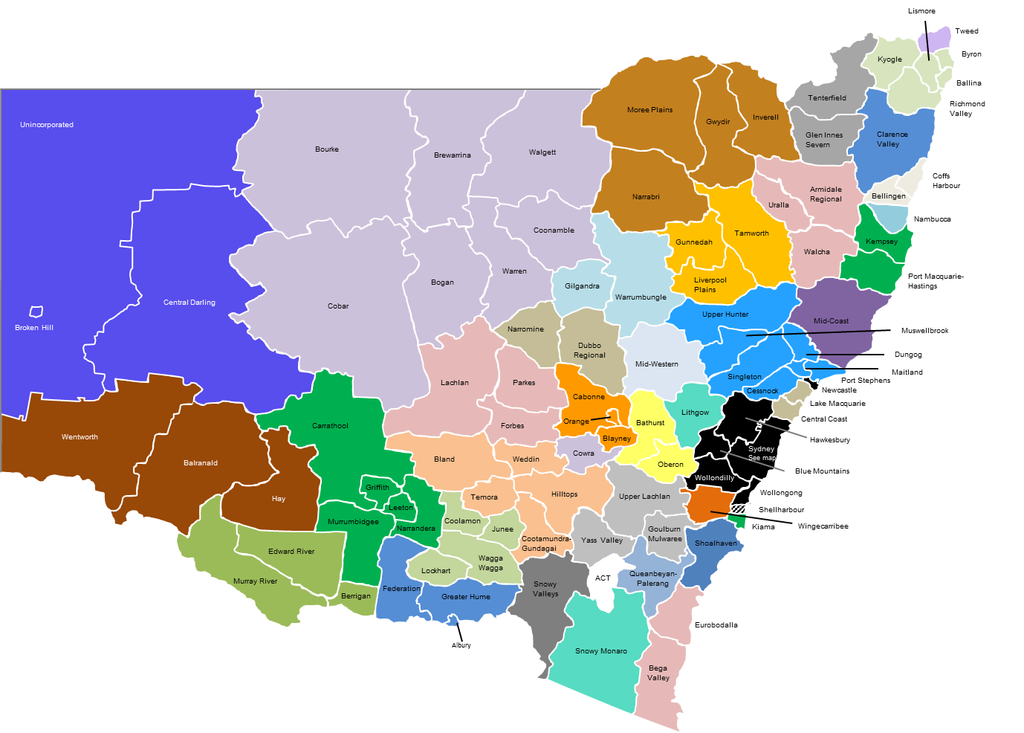
 |  |  |  | The functional economic region includes the following local government areas:
 |  |  |  | -
 |  |  |  | -
 |  |  |  | -
 |  |  |  | -
 |  |  |  | -
 |  |  |  | -
 |  |  |  | -
 |  |  |  | -

If you wish to identify the functional economic regions which your project will impact, please indicate these below:

(Larger map below)
Abercrombie |  | Far West |  | Nambucca |  | Southern New England High Country
Albury-Wodonga |  | Hastings-Macleay |  | Northern New England High Country |  | Southern Tablelands
Castlereagh |  | Hunter |  | Northern Rivers |  | Tweed
Central Coast and Lake Macquarie |  | Kiama |  | Orange, Blayney and Cabonne |  | Upper North West
Central Orana |  | Lithgow |  | Queanbeyan-Palerang |  | Western Murray
Clarence Valley |  | Lower North West |  | Shellharbour |  | Western Plains
Coffs Coast |  | Mid-Coast |  | Shoalhaven |  | Western Riverina
Cowra |  | Mid-Lachlan |  | Snowy Monaro |  | Wingecarribee
Eastern Riverina |  | Mid-Western |  | Snowy Valleys
Far South Coast |  | Murray |  | South West Slopes
 | - |  | - |  | - |  | -

Number of functional economic regions covered: |  |  | -

New South Wales Functional Economic Regions (with local government areas)
Return to data sheet

Return to data sheet

Mapping:

Examples
Bushfire Industry Recovery Package

Sector development grants - application datasheet

Return to datasheet
Benefit examples

Benefit: | Possible revenue effects | Possible cost effects
Increased exports | ↑ Increased revenues
Export replacement | ↑ Increased and/or retained revenues
Introduction of new technology/automation | ↑ Increased and/or retained revenues | ↓ Reduced costs
Development of common infrastructure |  | ↓ Reduced costs
Improved workplace health and safety |  | ↓ Reduced costs
Increased quality assurance | ↑ Increased revenues
Increased competitiveness | ↑ Increased revenues
Greater efficiencies and capacity in production lines | ↑ Increased revenues
Upskilling employees | ↑ Increased revenues | ↓ Reduced costs

